Home


2016-05-31
 | 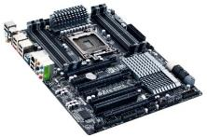 | 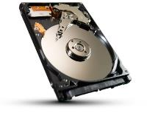 | 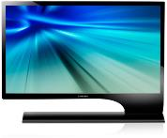 | 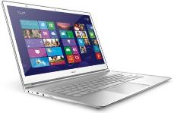 |  | 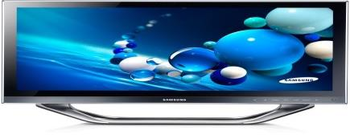

 | DESKTOP COMPONENTS | STORAGE | DESKTOP ACCESSORIES |  | MOBILE COMPUTING | DESKTOPS AND ALL IN ONE
 | PROCESSORS | FLASH STORAGE | MONITORS |  | NOTEBOOKS | DESKTOPS
 | MOTHERBOARDS | EXTERNAL HARD DRIVES | PERIPHERALS |  | TABLETS | ALL IN ONE
 | GRAPHICS CARDS | INTERNAL HARD DRIVES | POWER BACKUP |  | CARRY CASES AND ACCESSORIES | NEXT UNIT COMPUTING
 | DESKTOP MEMORY | NETWORK ATTACHED STORAGE | PROJECTORS |  | NOTEBOOK MEMORY
 | DESKTOP CHASSIS | SOLID STATE DRIVES
 | POWER SUPPLIES | OPTICAL DISK DRIVES
 | ADD IN CARDS | OPTICAL MEDIA
 | INTERNAL HARD DRIVES | APPLE COMPATIBLE MEMORY
 | SOLID STATE DRIVES | APPLE COMPATIBLE STORAGE

 | 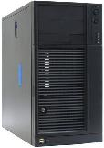 | 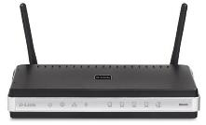 | 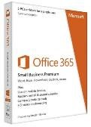 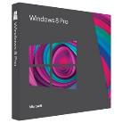 |  | 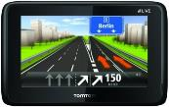 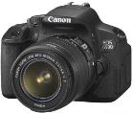 | 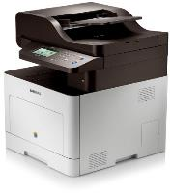
 | ENTERPRISE SOLUTIONS | NETWORKING | SOFTWARE |  | CONSUMER ELECTRONICS | PRINTING AND IMAGING
 | SERVER PROCESSORS | WIRED NETWORKING | DESKTOP OPERATING SYSTEM |  | VEHICLE AND PERSONAL GPS | LASER PRINTING
 | SERVER MOTHERBOARDS | WIRELESS NETWORKING | PRODUCTIVITY SOFTWARE |  | MOBILE SMARTPHONES | INK PRINTING
 | SERVER PLATFORMS | IP SURVEILLANCE | SERVER SOFTWARE |  | TELEVISIONS | _3D PRINTING
 | SERVER CHASSIS | ADSL PRODUCTS | SECURITY SOFTWARE |  | HOME AUDIO | LARGE FORMAT PRINTING
 | SERVER MEMORY | NETWORKING ACCESSORIES |  |  | CAMERAS | ADDITIONAL CONSUMABLES
 | SERVER ACCESSORIES |  |  |  | CUSTOM HOME AUDIO | SCANNERS
 | SERVER CABINETS |  |  |  | MP3 PLAYERS
 | INDUSTRIAL FLASH |  |  |  | IN CAR VIDEO RECORDERS
 | ENTERPRISE HARD DRIVES
 | LARGE FORMAT DISPLAYS
 | POINT OF SALE

